new housing starts
Construction residential graphics

New residential housing construction, years 2019-2024
housing starts / privately owned new houses on which construction has been started in agiven period
 | New residential construction in the UK 2015-2019, with forecasts from 2020 to 2024
 | New housing starts in the United Kingdom from 2015 to 2019, with forecasts from 2020 to 2024 (in 1,000s)

 | 2015 | 128
 | 2016 | 130
 | 2017 | 108
 | 2018 | 200
 | 2019 | 190
 | 2020 | 80
 | 2021 | 120
 | 2022 | 150
 | 2023 | 180
 | 2024 | 190

Sheet1
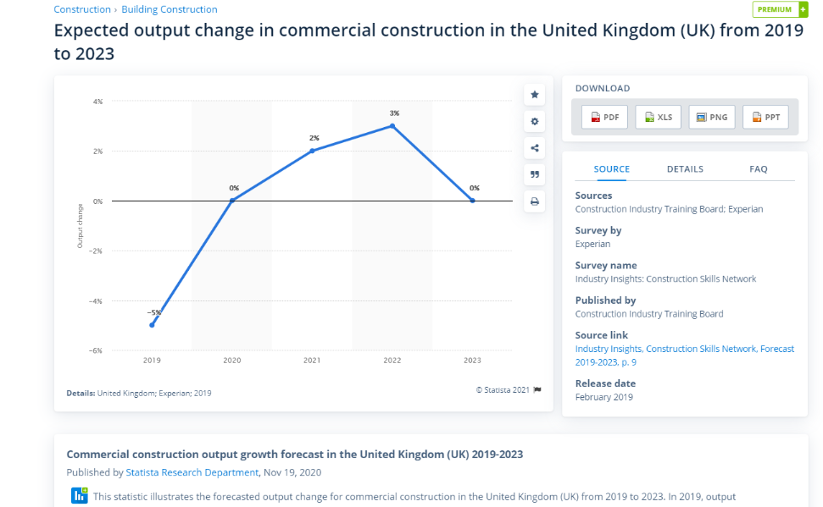
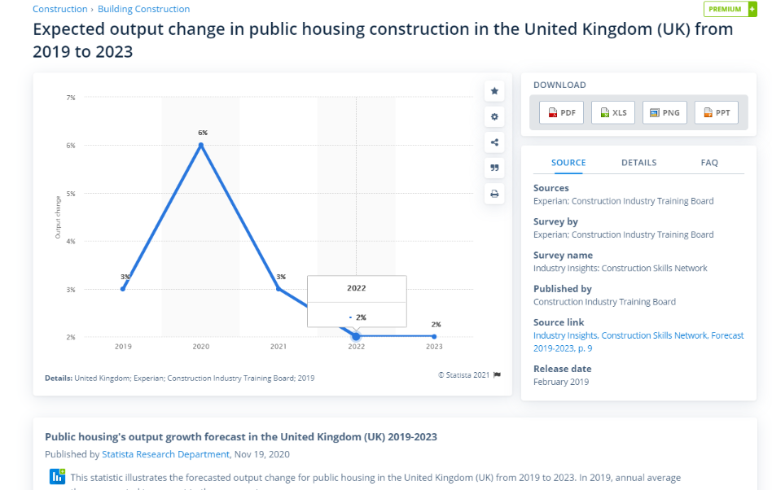
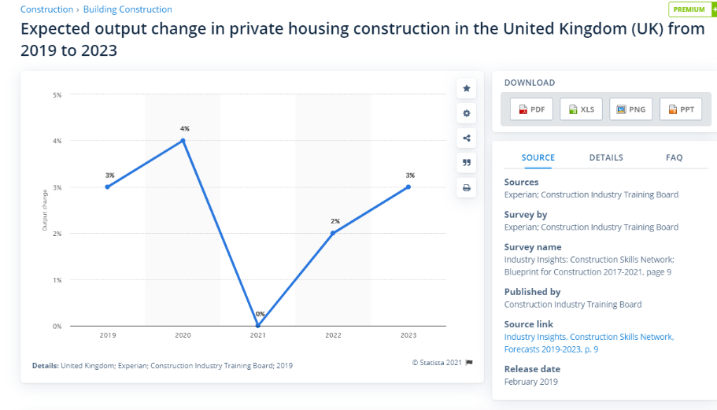
Type | 2021 | 2022 | 2023
commercial | 2 | 3 | 0
private | 0 | 2 | 4
Expected output change in construction sector, years 2021-2023
public | 3 | 2 | 2

construction resid revenue
Year | Revenue | Year | Revenue (£ million) | IVA (£ million) | Establishments (Units) | Enterprises (Units) | Employment (Units) | Exports (£ million) | Imports (£ million) | Wages (£ million) | Domestic Demand (£ million)
2013 | 6.61 | 2009 | 65667.9 | 16408.0 | 31572.0 | 27400.0 | 228165.0 |  |  | 9075.3
2014 | -0.95 | 2010 | 55040.7 | 12911.0 | 33590.0 | 29076.0 | 273228.0 |  |  | 7560.4
2015 | 15.42 | 2011 | 49644.2 | 11177.1 | 32275.0 | 27865.0 | 232482.0 |  |  | 7817.6
2016 | 14.67 | 2012 | 45479.2 | 11334.0 | 31071.0 | 26803.0 | 245093.0 |  |  | 6809.4
2017 | 3.2 | 2013 | 48486.0 | 13342.0 | 31978.0 | 27695.0 | 223834.0 |  |  | 6423.6
2018 | 9.78 | 2014 | 48026.2 | 13720.0 | 31886.0 | 28982.0 | 228094.0 |  |  | 7142.2
2019 | 7.84 | 2015 | 55433.2 | 16570.0 | 34153.0 | 31631.0 | 242817.0 |  |  | 6743.2
Residential housing construction, years 2019-2027
2020 | -3.34 | 2016 | 63566.9 | 19678.0 | 38310.0 | 37185.0 | 241009.0 |  |  | 7924.2
2021 | -28.95 | 2017 | 65604.1 | 21110.0 | 42044.0 | 41897.0 | 247481.0 |  |  | 7594.2
2022 | -9.31 | 2018 | 72025.3 | 23448.0 | 45632.0 | 44796.0 | 263144.0 |  |  | 7813.4
2023 | 4.8 | 2019 | 77677.2 | 25073.0 | 48067.0 | 47529.0 | 255003.0 |  |  | 8261.3
2024 | -0.2 | 2020 | 75087.7 | 21765.0 | 51205.0 | 47805.0 | 255010.0 |  |  | 8051.2
2025 | 5.2 | 2021 | 53351.1 | 9666.1 | 42561.0 | 42477.0 | 215048.0 |  |  | 6502.0
2026 | 11.5 | 2022 | 48389.4 | 10115.6 | 41571.0 | 41489.0 | 200425.0 |  |  | 6078.7
 |  | 2023 | 50712.1 | 11329.5 | 43367.0 | 42385.0 | 214254.0 |  |  | 6399.7
 |  | 2024 | 50610.7 | 12348.9 | 44234.0 | 44080.0 | 225824.0 |  |  | 6527.7
 |  | 2025 | 53242.5 | 13633.2 | 49294.0 | 48664.0 | 252923.0 |  |  | 6901.1
 |  | 2026 | 59365.4 | 15984.9 | 51335.0 | 50903.0 | 258740.0 |  |  | 7774.1
 |  | 2027 | 62452.4 | 17148.6 | 55072.0 | 52756.0 | 263656.0 |  |  | 8218.8

source IBIS residential building construction UK

